TRUNKS
DESCRIPTION | STYLE | IMAGE | COLOR | S | M | L | XL | XXL | TOTAL
CORE VOLLEY- SKY GRADIENT | Pictures and packinglist here | 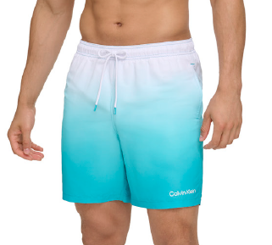 | ATL: ATLANTIS | 166 | 765 | 949 | 324 | 101 | 2,305
 |  |  |  |  |  |  |  |  | 2,305
HYBRID VOLLEY- STRETCH | CB5YSS95 | 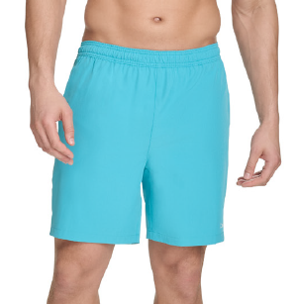 | ATL: ATLANTIS | 336 | 1,281 | 1,323 | 542 | 144 | 3,626
 |  |  |  |  |  |  |  |  | 3,626
CORE MODERN EURO | CB4DNL09 | 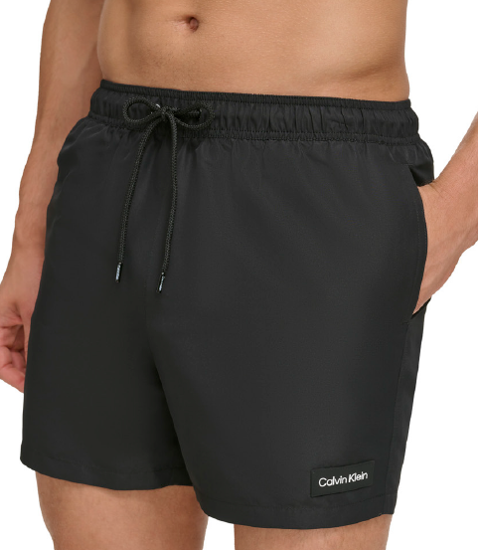 | BLK:BLACK | 207 | 1,127 | 1,087 | 602 | 482 | 3,505
 |  |  |  |  |  |  |  |  | 3,505
LOGO PIPING MODERN EURO | CB4DN010 | 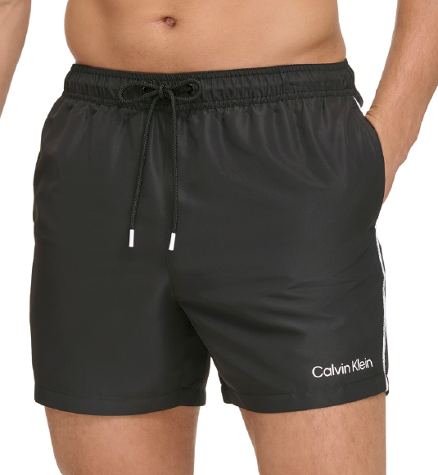 | BLK:BLACK | 601 | 1,877 | 1,300 | 550 | 616 | 4,944
 |  |  |  |  |  |  |  |  | 4,944
LOGO PIPING MODERN EURO | CB5DN010 | 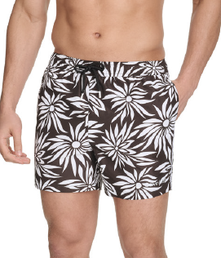 | BML: BLACK MULTI (PRINT) | 224 | 725 | 931 | 434 | 190 | 2,504
 |  |  |  |  |  |  |  |  | 2,504
SOLID INTENSE POWER MODERN EURO | CB4DNB09 | 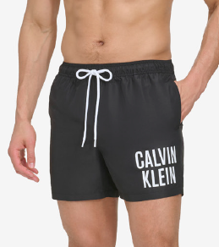 | BLK:BLACK | 1,013 | 3,713 | 3,552 | 2,092 | 824 | 11,194
 |  |  |  |  |  |  |  |  | 11,194
CK OUTLINE EURO | CB4DNR09 | 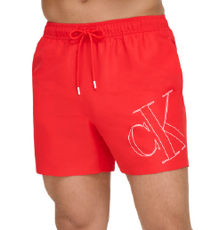 | RED:RED | 5 | 581 | 467 | 134 | 68 | 1,255
CK OUTLINE EURO | CB4DNR09 | 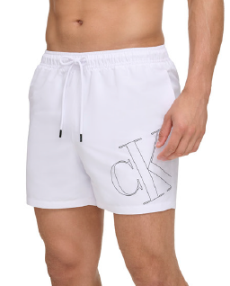 | WHT:WHITE | 81 | 271 | 462 | 127 | 71 | 1,012
CK OUTLINE EURO | CB4DNR09 | 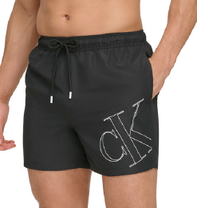 | BLK:BLACK | 450 | 1,138 | 1,577 | 814 | 443 | 4,422
 |  |  |  |  |  |  |  |  | 6,689

